Template
INDIVIDUAL STUDENT'S REPORT OF OUTCOME BASED LAB TASKS
Name of the laboratory: |  |  |  |  | ASSEMBLY AND DISMANTILING |  |  |  | Duration of the skill :



1) Student Details |  |  |  |  |  |  | 6) Reflection (Major problems faced/ Trouble shooting):
Name |  | : KISHORE.V |  |  |  |  | Task no | Problems | Counter measures
Roll No. |  | : 2024UME1039 |  |  |  |  | day 1 | gas stove
Department |  | : ME |  |  |  |  |  | one nut is to tight at gas knob | T
Year |  | :2024
 |  |  |  |  |  |  |  | WET GRINDER
 |  |  |  |  |  |  |  | screw were not fixed | T
2)Lab Schedule:
No. of days | Time |  |  |  |  |  |  | MIXER GRINDER
 | 8.45 - 10.20 |  | 10.40 - 12.00 | 1.00 - 2.50 |  | 3.00- 4.15 |  | switch knob is damaged | T
1 day | Entry meeting and introduction about the daily task |  | assembling and dismantiling the task 1
3)Assessment Schedule: |  |  |  |  |  |  | 7) Photographs of the Lab tasks:
Date | Time |  |  |  |  |  | Photograph 1 |  | Photograph 2 | Photograph 3
 | 8.45 - 10.20 |  | 10.40 - 12.00 | 1.00 - 2.50 |  | 3.00- 4.15 | 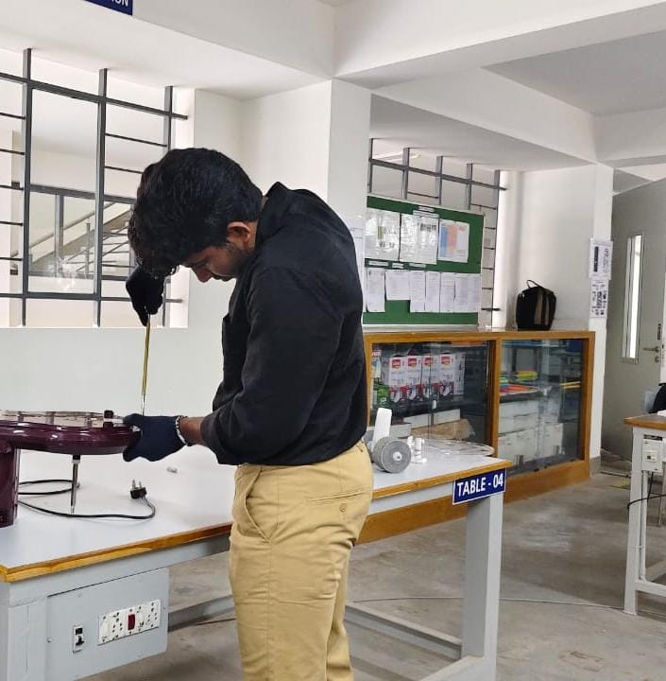
2024-09-03 | to desmantling the appliances |  | to assemble the appliances
4) Lab task details:
S.No | Name of the task | Outcome
1 | troubleshooting of home appliances | to understand the concept of working priciples of the appliances

5) Process Plan & Execution:
Task no | Proposed Process Plan |  | Actual Plan executed |  |  |  | 8) Assessment:
 | gas stove |  | gas stove
Day 1 | dismantling the rubber tubing (1min ) |  | dismantling the rubber tubing(2min )
 | dismantling the gas pipes(15min ) |  | dismantling the gas pipes(20min )
 | assembling rubber tube (2min ) |  | assembling the rubber tube (4min )
 | assembling the gas pipe (2min ) |  | assembling the gas piepe (13min )
 | wet grinder |  | wet grinder
 | dismantling the grinder stone(3min ) |  | dismantling the grinder stone (3min )
 | dismantling the belt(5min ) |  | dismantling the belt (15min )
 | assembling the grinder stone (2min ) |  | assembling the grinder stone ( 2min)
 | assembling the belt(2min ) |  | assembling the belt(5min ) |  |  |  | 9) Knowledge acquired from Lab tasks:
 | mixer grinder |  | mixer grinder |  |  |  | Task.No | Skills acquired
 | dismantling the pulse knob( 2min) |  | dismantling the pluse knob(5min ) |  |  |  | DAY 1 | to learn the working principle of the home applience
 | dismantling the base plate(10min ) |  | dismantling the base plate(15min )
 | assembling the pluse knob(2min ) |  | assembling the pluse knob (2min )
 | assembling the pulse knob(5min )

 | Student's Signature |  |  |  |  |  |  |  |  | Lab handling faculty's signature

